TS Schematics
Status | OK
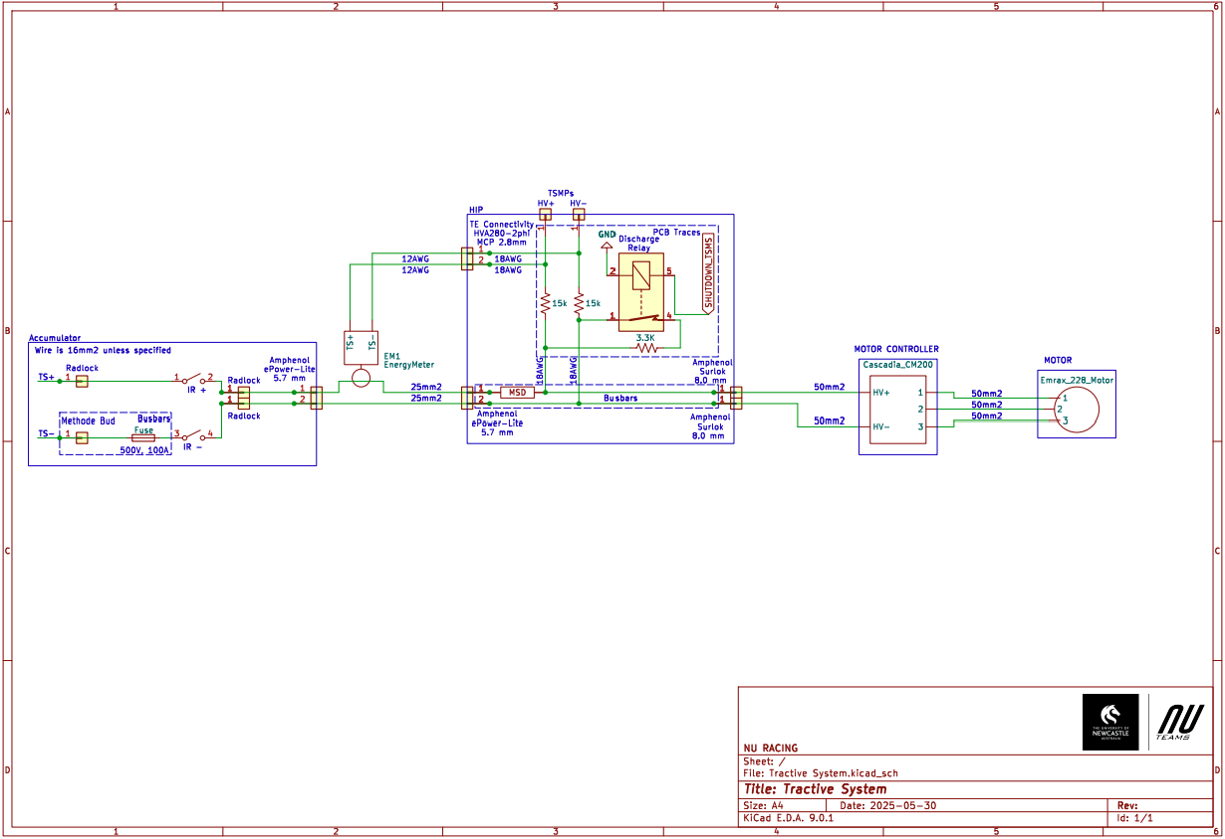 Tractive System Schematic |  |  |  |  | 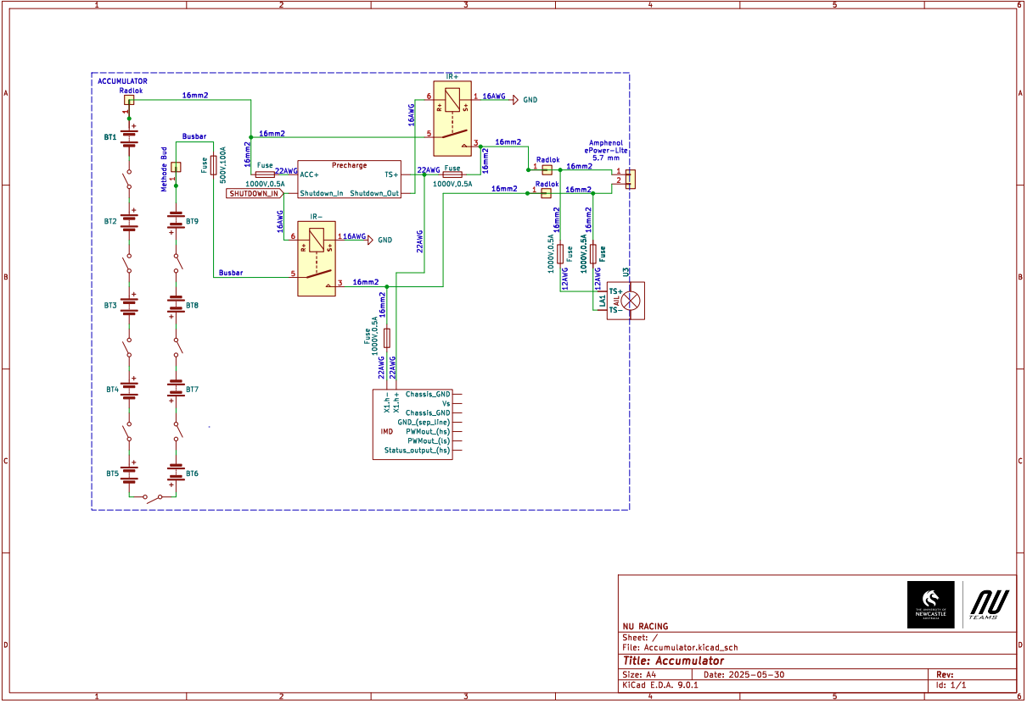 Accumulator TS Schematic |  |  |  | Additional Comments
 |  |  |  |  |  |  |  |  | Each of the 9 accumulator segments are comprised of 12 li1x6pvtc6t packs arranged in series. These li1x6pvtc6t packs consist of 6 inidivdual Sony Murata 18650 cells arranged in parallel.

Vehicle Tractive System Schematic Shows |  |  |  | OK | Accumulator TS Schematic Shows |  |  | OK
Rules References |  |  |  |  | Rules References
 |  | Shows details of all TS circuits outside of accumulator | TRUE | OK |  | Details of all TS circuits within accumulator | TRUE | OK
 |  | Accumulator is shown as a single element (without internal details) | TRUE | OK |  | All wire gauges labeled | TRUE | OK
 |  | All wire gauges labeled | TRUE | OK |  | All fuses labeled with ampacity | TRUE | OK
 |  | All fuses labeled with ampacity | TRUE | OK | EV.6.6.6 | All wires > 150mm have a fuse within the first 150mm from the source | TRUE | OK
EV.6.6.6 |  | All wires > 150mm have a fuse within the first 150mm from the source | TRUE | OK |  | Fuse locations represent physical location | TRUE | OK
 |  | Fuse locations represent physical location | TRUE | OK |  | Connectors labeled with Make/Model | TRUE | OK
 |  | Enclosures shown | TRUE | OK |  | Standard schematic symbols used | TRUE | OK
 |  | Connectors labeled with Make/Model | TRUE | OK |  | All text is readable (zooming is allowed) | TRUE | OK
 |  | Standard schematic symbols used | TRUE | OK | EV.5.4 | IRs | TRUE | OK
 |  | All text is readable (zooming is allowed) | TRUE | OK | EV.5.3 | Maintenance plugs | TRUE | OK
EV.5.8 |  | TSMPs | TRUE | OK |  | Cells (details of all intercell connections may be abstracted) | TRUE | OK
 |  | Motor Controller | TRUE | OK | EV.5.7 | Accumulator Indicator (must be powered directly by TS) | TRUE | OK
 |  | Motor | TRUE | OK
EV.5.8.5 |  | TSMPs not fused | TRUE | OK

Must be shown on at least one schematic |  |  |  | OK
Rules References
EV.7.6 |  | IMD | TRUE | OK
EV.5.5 |  | MSD | TRUE | OK
EV.5.6 |  | Precharge | TRUE | OK
EV.5.6 |  | Discharge | TRUE | OK
EV.3.2; EV.5.1.3 |  | Energy Meter (shunt and TS sense connection) | TRUE | OK
EV.5.6.3.b |  | Discharge still functions when MSD is opened | TRUE | OK
EV.5.6.3.c |  | Discharge is not fused | TRUE | OK

Accumulator
Status | OK

Segment-to-Segment Connection |  |  |  | Series |  | OK
Maximum TS Voltage |  |  |  | 453.6 | V | OK
Nominal TS Voltage |  |  |  | 388.8 | V
Total Cells |  |  |  | 648

Segment Data |  |  |  |  |  |  |  |  | OK | BMS |  |  |  |  | OK | Maintenance Plugs |  |  |  | OK | Insulating Materials |  |  |  |  | OK | Additional Comments
Cell Connection Order |  |  | Parallel then Series |  |  |  |  |  | OK | BMS Type |  |  | Centralized |  | OK | Connector |  | Methode EBC 5.7mm |  | OK | Between cells and accum. container |  |  | RS PRO 20305179 |  | OK | Due to design of temperature monitoring PCB the centre 2 battery packs in each segment will not have temperature monitored.
Segment | Parallel cells | Series cells | Temp Sensors | Accumulator Number | Max Voltage [V] |  | Segment Energy [MJ] |  |  | BMS Source |  |  | Purchased |  | OK | Ampacity |  | 320 | A | OK | Voltage Rating |  |  | 31500 | V | OK
 |  |  |  |  |  |  |  |  |  | Make | Ewert Energy | Model | Orion 2 |  | OK | Segment Fuse |  |  |  |  | Temperature Rating |  |  | 130 | C | OK
1 | 6 | 12 | 20 | 1 | 50.4 |  | 3.374784 |  | OK | Galvanic Isolation TS to GLV |  |  | 1500 | V | OK | Segment Fuse Ampacity |  | #N/A | A |  | Flammability Rating |  |  | UL94 V-0
2 | 6 | 12 | 20 | 1 | 50.4 |  | 3.374784 |  | OK | Galvanic Isolation between segments |  |  | 2500 | V | OK | IR |  |  |  |  | On top of cells |  |  | PCB KB6165F TG 149 |  | OK
3 | 6 | 12 | 20 | 1 | 50.4 |  | 3.374784 |  | OK | Galvanic Isolation device |  |  |  |  |  | Make/Model |  | GigaVac EPICGX |  | OK | Voltage Rating |  |  | 40000 | V | OK
4 | 6 | 12 | 20 | 1 | 50.4 |  | 3.374784 |  | OK | Gavlanic Isolation device datasheet |  |  |  |  |  | Contact Voltage Rating |  | 800 | V | OK | Temperature Rating |  |  | 170 | C | OK
5 | 6 | 12 | 20 | 1 | 50.4 |  | 3.374784 |  | OK | Voltage Sense Leads |  |  |  |  |  | Max switching current |  | 500 | A |  | Flammability Rating |  |  | UL94 V-1
6 | 6 | 12 | 20 | 1 | 50.4 |  | 3.374784 |  | OK | Maximum Unfused Lead Length |  |  | 16 | mm | OK | Max continuous current |  | 225 | A | OK | Separating IRs and Fuse from cells |  |  | ePOL PEEK-NAT/BLK |  | OK
7 | 6 | 12 | 20 | 1 | 50.4 |  | 3.374784 |  | OK | Sense Lead Overcurrent Protection Device |  |  | Bel Fuse C1Q 1 |  | OK | Main Fuse |  |  |  |  | Voltage Rating |  |  | 240000 | V | OK
8 | 6 | 12 | 20 | 1 | 50.4 |  | 3.374784 |  | OK | Overcurrent Location |  |  | Other |  | OK | Main Fuse |  | Littlefuse L50QS100.T |  | OK | Temperature Rating |  |  | 340 | C | OK
9 | 6 | 12 | 20 | 1 | 50.4 |  | 3.374784 |  | OK | Overcurrent Other Location |  |  | CANaMon |  | OK | Main fuse ampacity |  | 100 | A |  | Flammability Rating |  |  | UL94 V-0
10 |  |  |  |  | 0 |  | 0 |  |  | Overcurrent Voltage Rating |  |  | 63 | V | OK | Main fuse voltage |  | 500 | V | OK
11 |  |  |  |  | 0 |  | 0 |  |  | Temperature Sensors |  |  |  |  |  | MSD
12 |  |  |  |  | 0 |  | 0 |  |  | Temp Sensor Location |  |  | On cell terminal |  | OK | MSD |  | Hirose Electric Group EM30MSD(04) |  | OK
13 |  |  |  |  | 0 |  | 0 |  |  | Distance to cell terminal |  |  | 8 | mm |  | Ampacity |  | 200 | A | OK
14 |  |  |  |  | 0 |  | 0 |  |  | Cells sensed per sensor |  |  | 2 | cells | OK
15 |  |  |  |  | 0 |  | 0 |  |  | Thermal Contact material used
16 |  |  |  |  | 0 |  | 0 |  |  | Thermal contact material datasheet
17 |  |  |  |  | 0 |  | 0 |  |  | Thermal contact material conductivity |  |  |  | W/(m∙K)
18 |  |  |  |  | 0 |  | 0 |  |  | Thermal contact material thickness |  |  |  | mm
 |  |  |  |  |  |  |  |  |  | Percent of cells sensed |  |  | 55.555555556 | % | OK

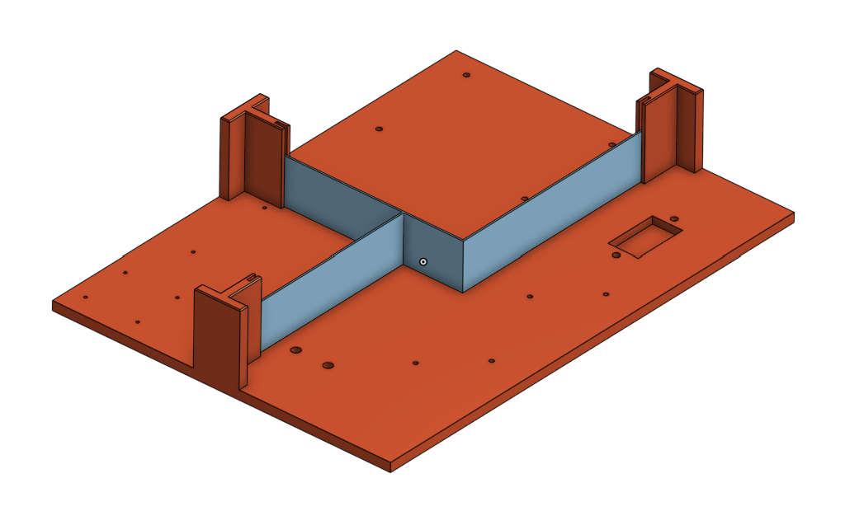
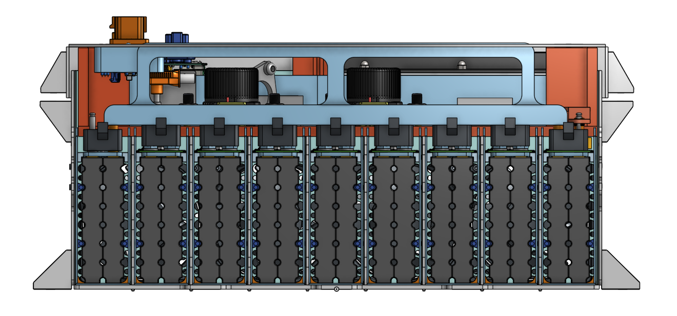 Picture of Maintenance Plugs |  |  |  |  |  |  |  |  |  Picture of Cell Connections |  |  |  |  |  |  |  | 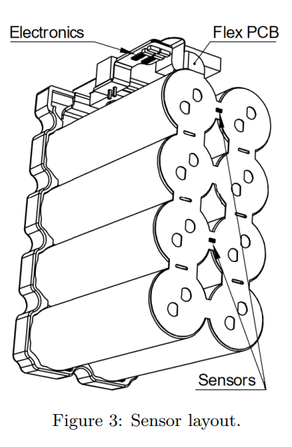 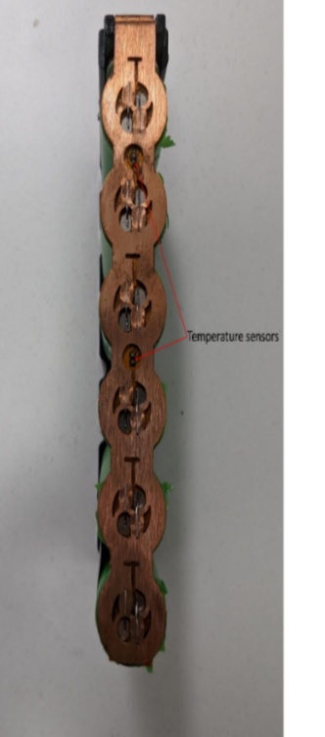 Picture of Temperature Sensor Location |  |  |  |  |  |  | 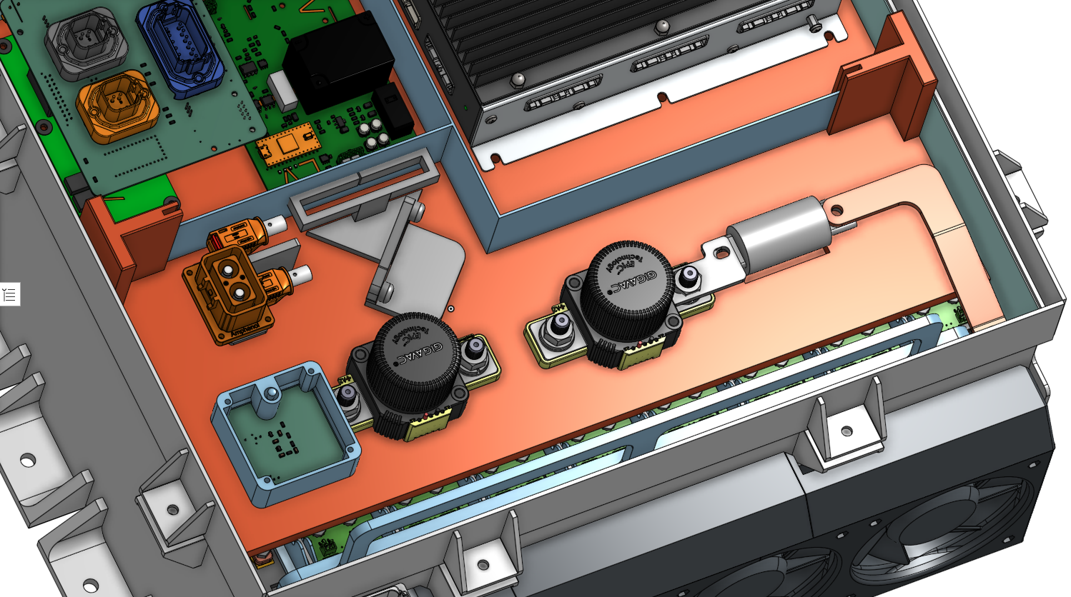 Picture of Fuse and IRs Separation from Cells |  |  |  |  |  | 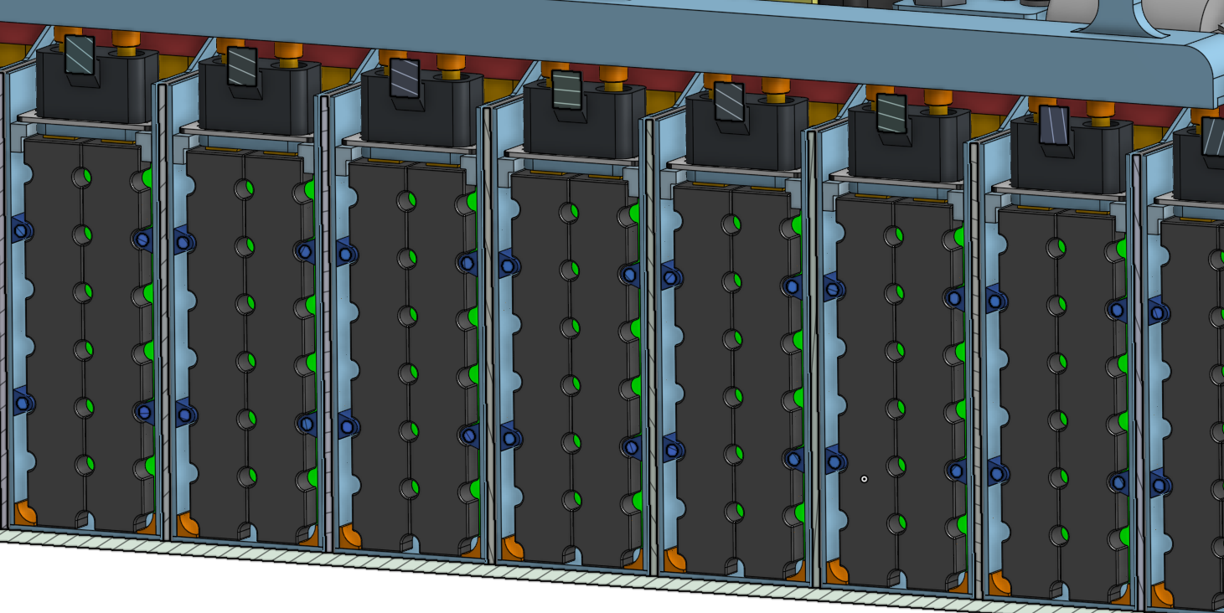 Picture of Segment Insulation between Cell Terminals and Sides of Accumulator Container |  |  | 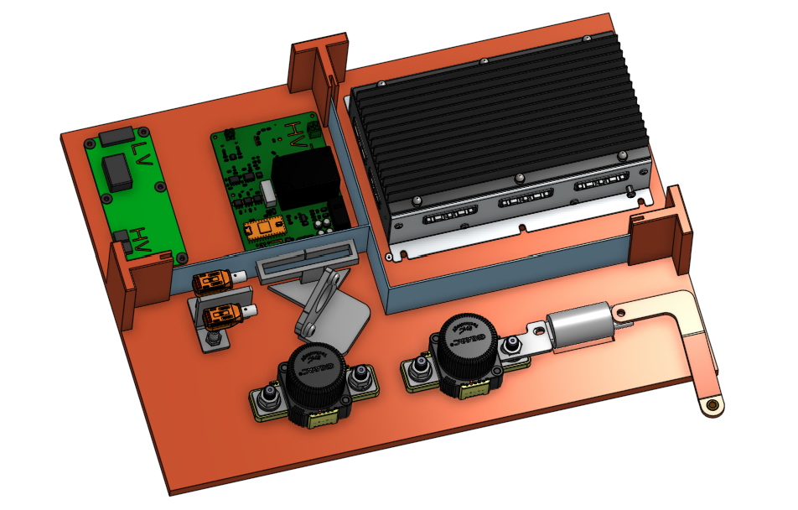 Picture of Insulation on Top of Segment

Maintenance Plug(s) Picture Shows |  |  |  |  |  |  | OK |  | Cell Connections Picture Shows |  |  |  |  |  | OK |  | Temperature Sensor Picture Shows |  |  |  |  |  | OK | Fuse and IRs Separation Picture Shows |  |  |  |  | OK | Segment Insulation Picture Shows |  | OK | Segment Insulation Picture Shows |  | OK
Unique Configuration of plugs |  |  |  |  |  | TRUE | OK |  | Bolted connections have positive locking |  |  |  |  | TRUE | OK |  | Temp sensor in direct contact with terminal or busbar |  |  |  |  | TRUE | OK | Fuse and IRs are separated from cells |  |  |  | TRUE | OK | Insulation between cells and accumulator container | TRUE | OK | Insulation on top of cells (air not acceptable) | TRUE | OK
Non-conductive on un-necessary surface |  |  |  |  |  | TRUE | OK |  | Location of parallel cell overcurrent for parallel cells |  |  |  |  | TRUE | OK |  | Distance from sensor to cell negative terminal connection |  |  |  |  | TRUE | OK | Additional Comments |  |  |  |  | Rules References | Additional Comments |  | Rules References | Additional Comments |  | Rules References
Accessible without any additional accumulator disassembly |  |  |  |  |  | TRUE | OK |  | BMS voltage sense fuse location |  |  |  |  | TRUE | OK |  | Additional Comments |  |  |  |  |  | Rules References |  |  |  |  |  | EV.5.4.4 |  |  | EV.5.2.2.a EV.5.2.3 |  |  | EV.5.2.2.a EV.5.2.3
Positive Locking |  |  |  |  |  | TRUE | OK |  | Additional Comments |  |  |  |  |  | Rules References |  | Please note that the li1x6pvtc6t packs used in our accumulator are configured in a 1x6 pack, not a 4x2 as pictured above. This image was taken from the pack's data sheet which covers a range of battery configurations. The locations of the sensors is the same for both configurations. |  |  |  |  |  | EV.7.5
Additional Comments |  |  |  |  |  |  | Rules References |  |  |  |  |  |  |  | EV.6.4.1 EV.6.4.3 EV.7.4.4.a
Busbar positively locked by accumulator lid. |  |  |  |  |  |  | EV.5.3

Parallel Cell Fusing |  |  |  |  | OK | Rules Referenes
Source |  |  | Purchased |  | OK | EV.6.6.3 EV.6.6.5
Make/Model |  |  | Energus Internal |  | OK
Continuous Current |  |  | 270 | A | OK
Continuous Current |  |  |  | A
 | Test Data |  | Continuous
#N/A | #N/A | #N/A | #N/A
#N/A | #N/A | #N/A | #N/A
#N/A | #N/A
#N/A | #N/A
#N/A | #N/A
#N/A | #N/A
#N/A | #N/A
#N/A | #N/A
#N/A | #N/A
#N/A | #N/A
#N/A | #N/A
#N/A | #N/A
#N/A | #N/A
#N/A | #N/A
#N/A | #N/A
#N/A | #N/A
Test Data Summary
Tests at current 1 |  |  | 0 |  |  |  |  | #N/A
Tests at current 2 |  |  | 0 |  |  |  | #N/A | #N/A
Tests at current 3 |  |  | 0 |  |  |  | #N/A
Tests at current 4 |  |  | 0
See Fusible Link Testing Guideline on FSAEOnline.com

Testing | Current [A] | Time to blow [s]
Test 1
Test 2
Test 3
Test 4
Test 5
Test 6
Test 7
Test 8
Test 9
Test 10
Test 11
Test 12
Test 13
Test 14
Test 15
Test 16

Charging
Status | OK
Charger |  |  |  |  | OK |  | Additional Comments
Make |  |  | Magna Power |  | OK
Model |  |  | SL series |  | OK
Datasheet |  |  | https://magna-power.com/assets/files/datasheets/datasheet_sl_4.5.0.pdf |  | OK
Input Voltage |  |  | 380/400 | V | OK
Input Current |  |  | 11 | A | OK
Output Voltage |  |  | 500 | V | OK
Output Current |  |  | 10 | A | OK
Power |  |  | 4 | kW | OK
Input to Output isolation |  |  | 2.5 |  | OK

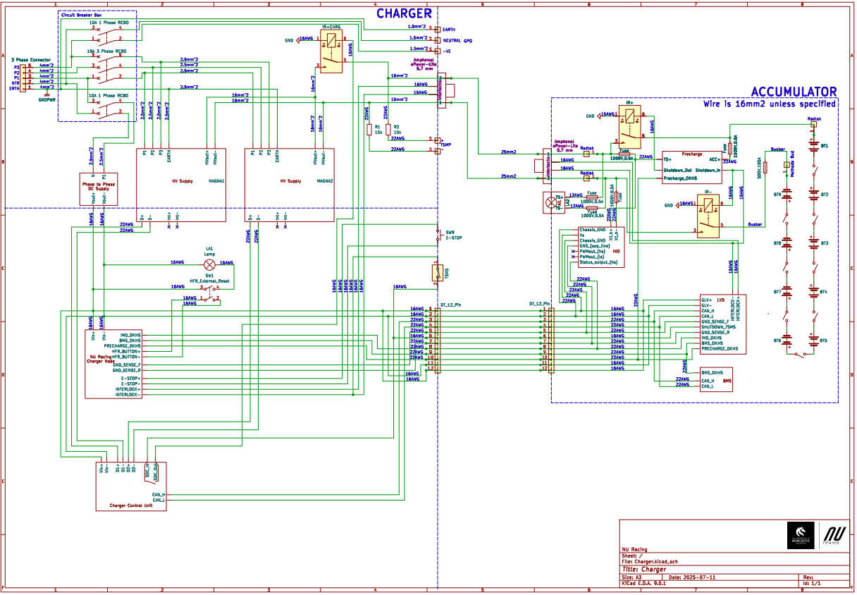 Charging Tractive System Schematic |  |  |  |  |  |  |  | Charging Shutdown Circuit

Charging Tractive System Schematic Shows |  |  |  |  |  |  | OK | Charging Shutdown Circuit Shows |  |  | OK
Rules References |  |  |  |  |  |  |  | Rules References
EV.6.6 |  | Fuse |  |  |  | TRUE | OK | EV.8.3 | IMD Control and Powerstage | TRUE | OK
 |  | Connectors |  |  |  | TRUE | OK | EV.8.3 | AMS | TRUE | OK
 |  | Wire Gauge |  |  |  | TRUE | OK | EV.8.2.7 | Charger Shutdown Button | TRUE | OK
EV.8.4 |  | IMD |  |  |  | TRUE | OK | EV.8.4 | IRs | TRUE | OK
EV.8.4.2 |  | IRs |  |  |  | TRUE | OK | EV.5.9 | Charge Connector Interlock | TRUE | OK
EV.8.2.6 |  | TSMPs |  |  |  | TRUE | OK | EV.8.2.4; EV.8.4.2.c | Charge Control (CAN, Enable, etc.) | TRUE | OK
Additional Comments |  |  |  |  |  |  |  | Additional Comments

Shutdown Circuit
Status | BLANK
IMD |  |  |  |  | OK | BSPD |  |  |  | OK
Rules Reference |  |  | EV.7.6 |  |  | Rules Reference |  | EV.7.7
Make/Model |  |  | Bender IR155-3204 |  | OK | Current Sensor Make/Model |  | Tamura L31S100S05FS |  | OK
Setpoint |  |  | 250 | kΩ | OK | Current Sensor Datasheet |  | https://au.mouser.com/datasheet/2/397/TCOA_S_A0010069265_1-2563810.pdf |  | OK
 |  |  |  |  |  | Trip Current |  | 12.5 | A | OK
 |  |  |  |  |  | Sensor Output @ Trip Current |  | 2.57 | V | OK
 |  |  |  |  |  | Accuracy @ Trip Current |  | 0.1 | A | OK

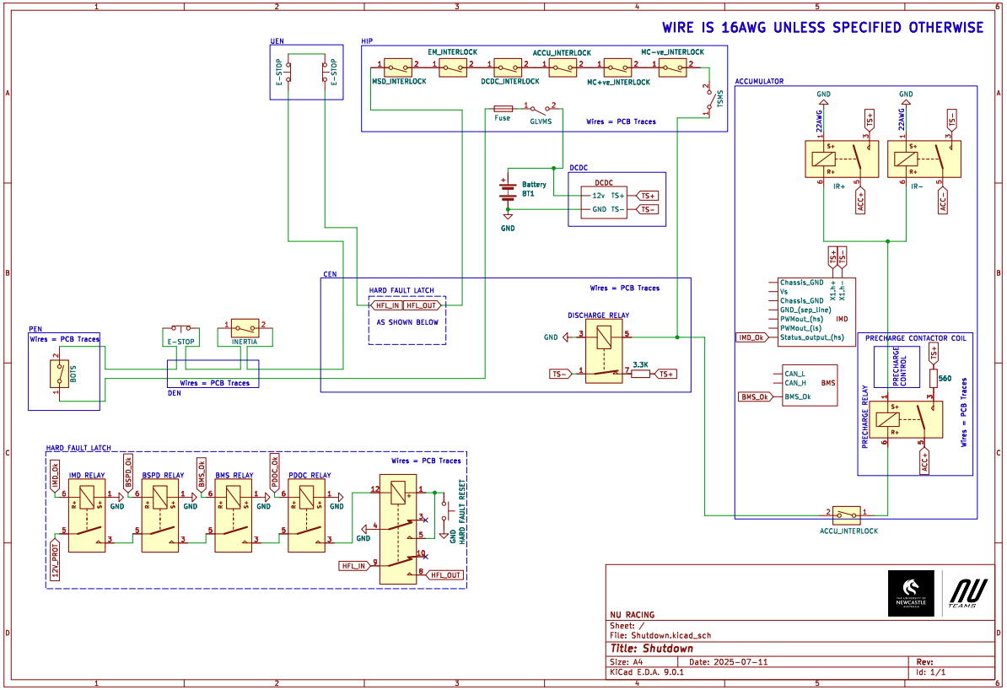 Shutdown Circuit Schematic |  |  |  |  |  |  |  |  |  | 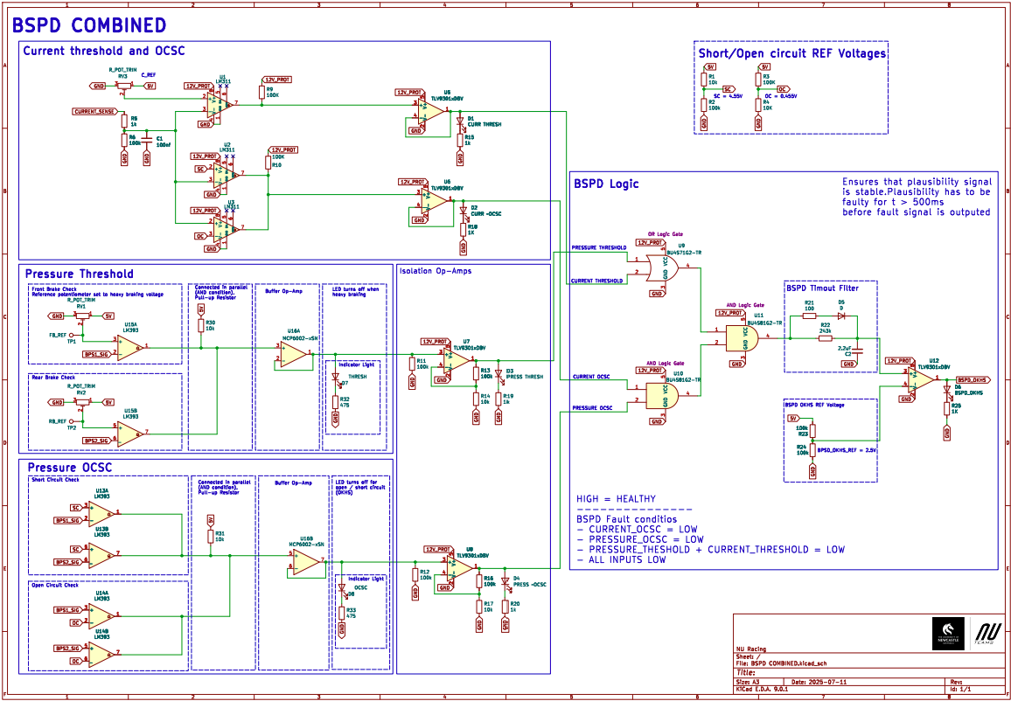 BSPD System Schematic

Shutdown Circuit Schematic Shows |  |  |  |  |  |  |  | OK |  | BSPD System Schematic Shows |  |  | OK
Rules References
EV.7.9.2 |  | GLVMS |  |  |  |  | TRUE | OK |  | BSPD Current Sensor input open/short circuit protection |  | TRUE | OK
EV.7.9.3 |  | TSMS |  |  |  |  | TRUE | OK |  | BSPD Brake Position input open/short circuit protection |  | TRUE | OK
EV.7.10.3 |  | 2 Side Shutdown Buttons |  |  |  |  | TRUE | OK |  | Shutdown circuit powerstage |  | TRUE | OK
EV.7.10.4 |  | 1 Cockpit Shutdown Button |  |  |  |  | TRUE | OK |  | Additional Comments |  | Rules References
T.3.3 |  | Brake Over Travel Switch (BOTS) |  |  |  |  | TRUE | OK |  |  |  | EV.7.7
T.9.4 |  | Inertia Switch |  |  |  |  | TRUE | OK
EV.7.3 |  | BMS |  |  |  |  | TRUE | OK
EV.7.6 |  | IMD |  |  |  |  | TRUE | OK
EV.7.7 |  | BSPD |  |  |  |  | TRUE | OK
EV.5.5.3 |  | MSD Interlock |  |  |  |  | TRUE | OK |  | 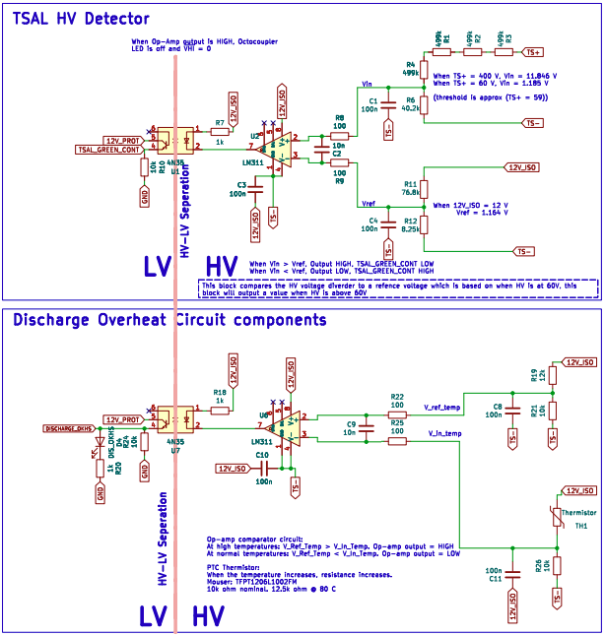 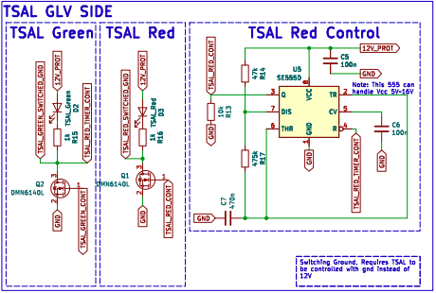 Ready To Move Light Schematic
EV.7.1.4 |  | IMD, AMS, BSPD have independent power stages |  |  |  |  | TRUE | OK
EV.4.1.3.a |  | Outboard Wheel Motor Interlocks (if applicable) |  |  |  |  | TRUE | OK
 |  | GLV Battery |  |  |  |  | TRUE | OK
 |  | HV DC/DC converter GLV connection (if applicable) |  |  |  |  | TRUE | OK
T.9.2.2 |  | GLV Fuse |  |  |  |  | TRUE | OK
 |  | Wire Gauge |  |  |  |  | TRUE | OK
EV.7.1.2; EV.7.1.5 |  | Precharge Contactor coil |  |  |  |  | TRUE | OK
EV.7.1.2; EV.7.1.5 |  | Positive IR coil |  |  |  |  | TRUE | OK
EV.7.1.2; EV.7.1.5 |  | Negative IR coil |  |  |  |  | TRUE | OK
EV.5.6.3.a |  | Discharge Contactor coil |  |  |  |  | TRUE | OK
EV.7.9.3.b |  | TSMS is last switch |  |  |  |  | TRUE | OK
EV.7.9.2.a |  | GLVMS is first switch |  |  |  |  | TRUE | OK
 |  | Uses proper electrical schematic symbols |  |  |  |  | TRUE | OK
 |  | Labels/text are readable (zooming in is acceptable) |  |  |  |  | TRUE | OK
EV.5.9 |  | Interlocks on TS connectors outside of an enclosure |  |  |  |  | TRUE | OK
Additional Comments |  |  |  |  |  |  | Rules References
 |  |  |  |  |  |  | EV.7.1 EV.7.2

 |  |  |  |  |  |  |  |  |  | Ready to Move Light Schematic Shows |  |  | BLANK
 |  |  |  |  |  |  |  |  |  | Light controlled by >60V present in TS (hardware-based voltage detection) |  | TRUE | OK
 |  |  |  |  |  |  |  |  |  | Light powered by GLV |  | TRUE | OK
 |  |  |  |  |  |  |  |  |  | Light flashes at 2–5 Hz when >60V present in TS |  | TRUE | OK
 |  |  |  |  |  |  |  |  |  | Light Source | Team Built |  | OK
 |  |  |  |  |  |  |  |  |  | Model
 |  |  |  |  |  |  |  |  |  | Datasheet
 |  |  |  |  |  |  |  |  |  | DOT FMVSS 108 compliant |  |  | BLANK
 |  |  |  |  |  |  |  |  |  | Additional Comments |  | Rules References
 |  |  |  |  |  |  |  |  |  |  |  | EV.5.10

Torque Security
Status | OK
APPS Sensor Transfer function |  |  |  | OK | Torque Control Path Security Checks |  |  |  |  |  |  |  |  | OK
Rules Reference |  | T.4.2.3
Position | APPS1 Output [V] |  | APPS2 Output [V] |  | Source Device | Destination Device | Communication | Redundant | Out Of Range | Correlation | Checksum | Timeout | Other |  | Additional Comments
0% | 0.372 |  | 0.74 | OK
20% | 0.711 |  | 1.4 | OK | APPS | Pedal Box ECU | Analog | 2 Sensors | Yes | No | No | No |  | OK
40% | 1.03 |  | 2.06 | OK | Pedal Box ECU | DEN | Digital | No | No | No | CAN | Yes |  | OK
60% | 1.36 |  | 2.71 | OK | DEN | CEN | Digital | No | No | No | CAN | Yes |  | OK
80% | 1.69 |  | 3.36 | OK | CEN | Motor Controller | Digital | No | No | No | CAN | Yes |  | OK
100% | 2.05 |  | 4.09 | OK | Motor Controller

Other
Status | BLANK
Motor Controller |  |  |  | OK | Motor |  |  | OK
Make |  | Cascadia |  | OK | Make |  | Emrax | OK
Model |  | CM200DX |  | OK | Model |  | 228 MV | OK
Datasheet |  | https://www.cascadiamotion.com/_files/ugd/7833d4_f46965a239f843afa9a2fa82f7d5d1ed.pdf |  | OK | Datasheet |  | https://emrax.com/wp-content/uploads/2024/02/EMRAX_228_datasheet_v1.5.pdf | OK
Galvanic Isolation between TS and control |  | 1500 | V | OK

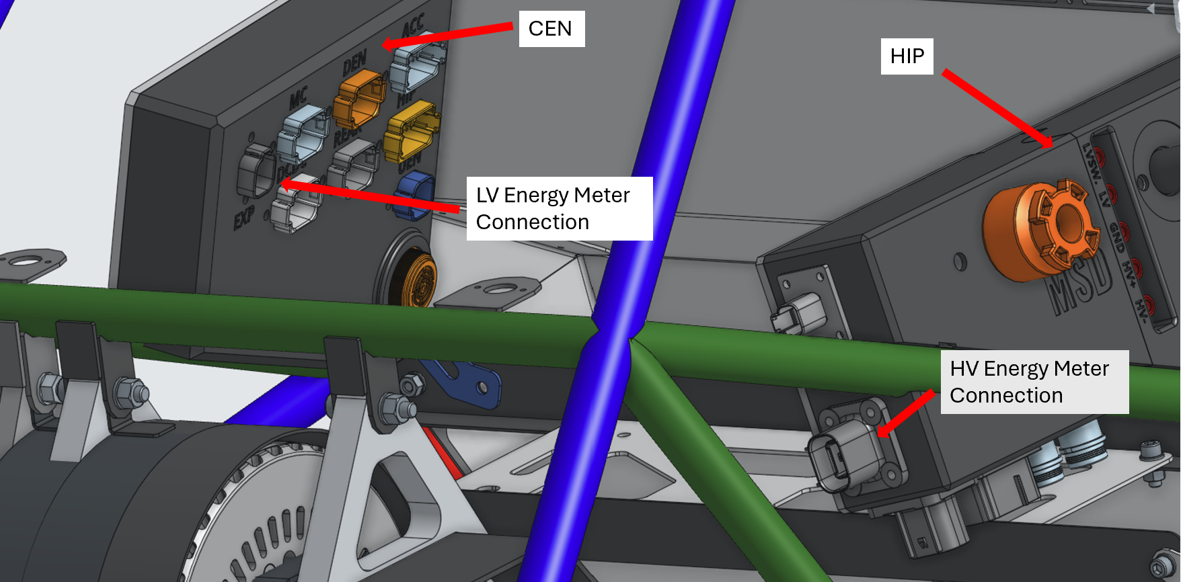 Picture of Energy Meter download connector on car to prove compliance with EV.3.2.2 |  |  |  |  |  |  | Picture of Tractive System Status Indicator on car to prove compliance with EV.5.11

Energy Meter Download Picture Shows |  |  |  |  |  | OK | Tractive System Status Indicator Shows |  | BLANK
Energy Meter Download Connector |  |  |  |  | TRUE | OK | Tractive System Status Indicator placement in vehicle |  | BLANK
Additional Comments |  |  |  |  |  |  | Additional Comments

